Summary
Client Intake Pipeline Automation

In-coming New Leads
DETAILS
1 | There are 5 main points in the business process that will trigger the creation or update of the lead's stage in the client intake pipeline
 | u | In-coming New Leads - This is the process where the leads are captured thru the website or social media form in which submission of the forms will trigger the automations. They will be put in the "New Lead" stage
 | u | Booked Consultation Appointment - This is the point where the leads booked an appointment in the Consultation Appointment Calendar. Once they've have finished a one-on-one consultation with staff
Workflows
01A
01B
02
03
Stage
New Lead
 |  | they will be transferred to the "Contacted" stage. This is still a pre-service booking.
 | u | Cancelled/No-show Consultation Appointment - During this point, the leads did not attend or they cancelled the appointment. The system will send follow-up calls and messages to them. If they still have no response or they responded
 |  | negatively, they will be put to the "Nurture" stage. This stage is Sync9's initiative to contact the said leads for future campaigns. (Optional)
 | u | Booked Pet Sitting Service - This is after the consultation and being evaluated. After the consultation appointment, leads will be sent an email containing link to the Pet Sitting Service Booking Calendar.
 |  | Once they booked a service, they will be automatically updated to the "Booked" stage.
 | u | Client Onboarding - Once leads are already Booked, they will be sent an Onboarding Form to be filled up, it can be onlice or manual. Once they submit the Onboarding Form, they will be updated to the "Onboarded" stage in the pipeline.
 |  | For manual filling up of the Onboarding Form, staff members will need to manually update the stage of the client. Note: Leads will only be updated to Onboarded stage upon submission of onboarding form.
Consultation Appointment (Pre-service Booking)
2 | Definition for each stages
 | u | New Leads - incoming leads that were captured from the website or social media leads form
 | u | Contacted - these are leads that have undergone a one-on-one consultation with staff
Workflows
04B
 | u | Nurture - these are leads in general that did not pursue the service. Can be leads that did not reponded to our campaigns, cancelled consultation appointments, etc.
Stage
Contacted
Cancelled/No-show Consultation Appointment
 | u | Booked - these are leads that have already booked a pet sitting service and most of the time just waiting for their schedule
Workflows
04A
 | u | Onboarded - these a leads that have signed and submitted the onboarding form

Stage
Nurture

Pet Sitter Service Booked

Workflows
05
06
Stage
Booked

Onboarded
Stage
Onboarded

01A. New Leads From Website
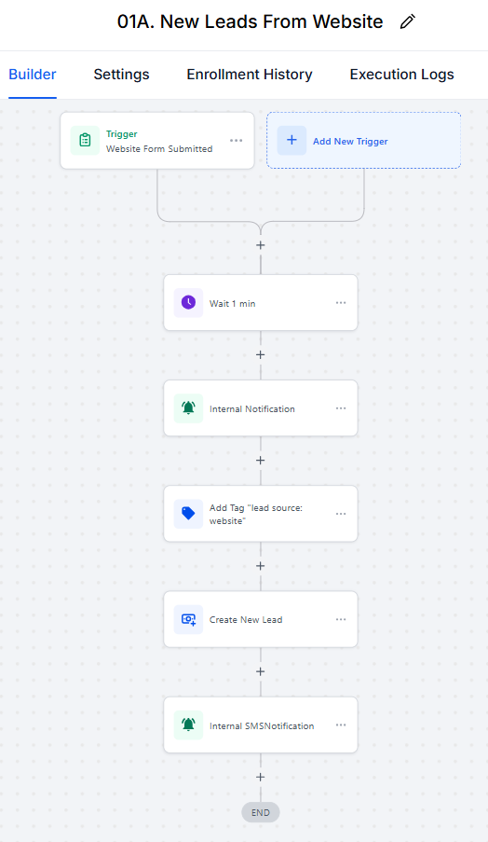
Step | Details
1 | Automation will be triggered upon submission of Leads Form from the website
2 | System will wait for 1 minute before proceeding
3 | Internal notification will be sent to PCPSI's email regarding the incoming lead
4 | Leads will be tagged with lead source information (Optional)
5 | New opportunity will be created to the Client Intake Pipeline with the incoming lead's info
6 | An SMS notification will be sent to PCPSI's registered phone number about the lead's details

 | Requirements
1 | Website Leads Form

01B. New Leads From Facebook
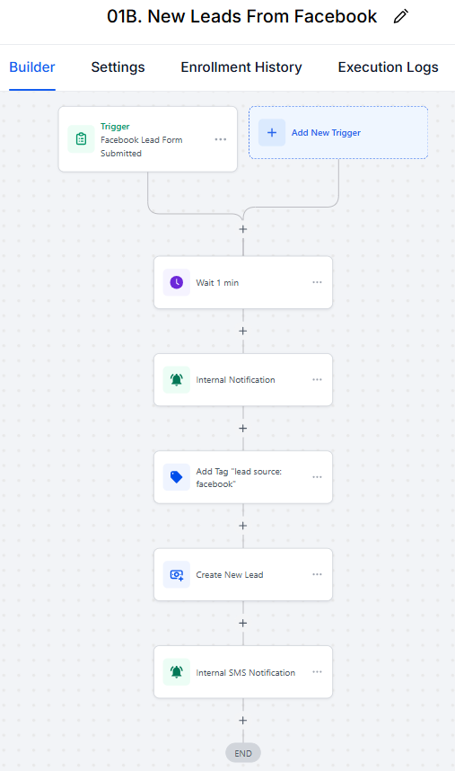
Step | Details
1 | Automation will be triggered upon submission of Leads Form from the website
2 | System will wait for 1 minute before proceeding
3 | Internal notification will be sent to PCPSI's email regarding the incoming lead
4 | Leads will be tagged with lead source information (Optional)
5 | New opportunity will be created to the Client Intake Pipeline with the incoming lead's info
6 | An SMS notification will be sent to PCPSI's registered phone number about the lead's details

 | Requirements
1 | Facebook Leads Form

02. New Leads -> Nurture
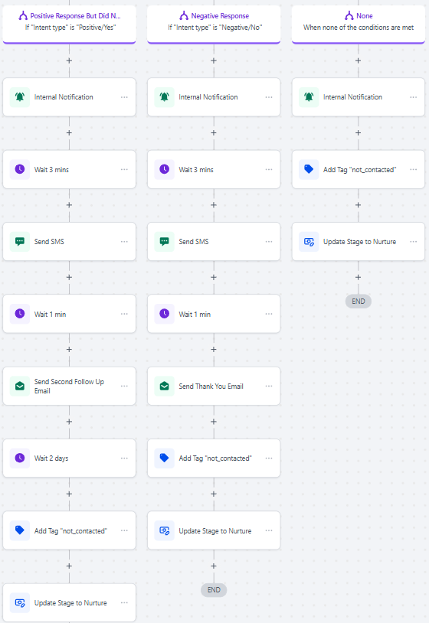
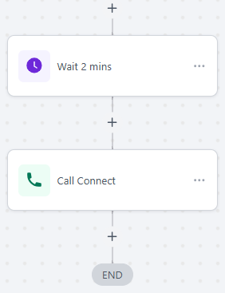
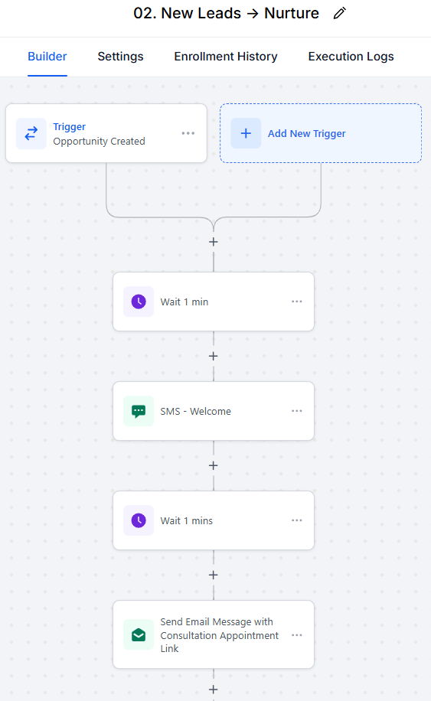
Step | Details
1 | Automation will be triggered upon creation of opportunity in the New Lead stage in the Client Intake Pipeline
2 | System will wait for 1 minute before proceeding
3 | A welcome SMS message will be sent to the lead's phone number
4 | System will wait for 1 minute before proceeding
5 | An email with consultation appointment link will be sent to the lead's email address
6 | System will wait for 1 day. If the leads booked a consultation appointment, they will proceed to "03. Consultation Booking" automation workflow. If they did not booked, they proceed to step 7.
7 | A follow-up email will be sent to the lead if they have not booked the consultation appointment yet.
8 | System will wait again up to 1 day

NOTE | Split path depending on lead's response to follow-up email
 | IF LEADS REPLIED TO EMAIL
 | Scenario 1: Client's Intent is Positive But Did Not Booked Yet
1 | An internal notification will be sent to PCPSI's email about leads replying
2 | A second follow-up email will be sent to the lead's email address
3 | System will wait up to 2 days
4 | Leads will be tagged as "not_contacted"
5 | Update lead's stage into "Nurture"

 | Scenario 2: Client's Intent is Negative
1 | An internal notification will be sent to PCPSI's email about leads replying
2 | A thank you email will be sent to lead's email address
3 | Leads will be tagged as "not_contacted"
4 | Update lead's stage into "Nurture"

 | Scenario 3: The first two conditions are not met
1 | An internal notification will be sent to PCPSI's email about leads replying
2 | Leads will be tagged as "not_contacted"
3 | Update lead's stage into "Nurture"

 | IF LEADS DID NOT REPLY TO EMAIL
1 | A follow-up SMS message will be sent to the lead's phone number
2 | System will wait up to 2 hours

NOTE | Second degree split path depending on lead's response to follow-up SMS message
 | IF LEADS REPLIED TO SMS
 | Scenario 1: Client's Intent is Positive But Did Not Booked Yet
1 | An internal notification will be sent to PCPSI's email about leads replying
2 | System will wait up to 3 minutes
3 | Send an SMS message that an email with consultation appointment link will be emailed shortly
4 | System will wait 1 minute
5 | Send follow-up email
6 | System will wait up to 2 days
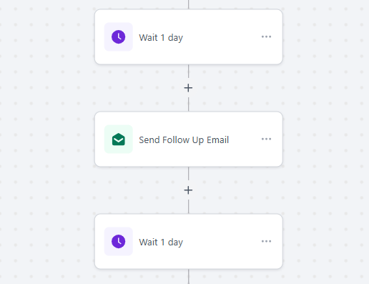
7 | Leads will be tagged as "not_contacted"
8 | Update lead's stage into "Nurture"

 | Scenario 2: Client's Intent is Negative
1 | An internal notification will be sent to PCPSI's email about leads replying
2 | System will wait up to 3 minutes
3 | Send a thank you SMS message to lead's phone number
4 | System will wait 1 minute
5 | Send a thank you email to the leads
6 | Leads will be tagged as "not_contacted"
7 | Update lead's stage into "Nurture"

 | Scenario 3: The first two conditions are not met
1 | An internal notification will be sent to PCPSI's email about leads replying
2 | Leads will be tagged as "not_contacted"
3 | Update lead's stage into "Nurture"

 | IF LEADS DID NOT REPLY TO SMS
1 | Send an internal SMS notification to PCPSI's phone number and alerting the staff for a Call Connect to the client in 2 minutes
2 | System will wait 2 minute
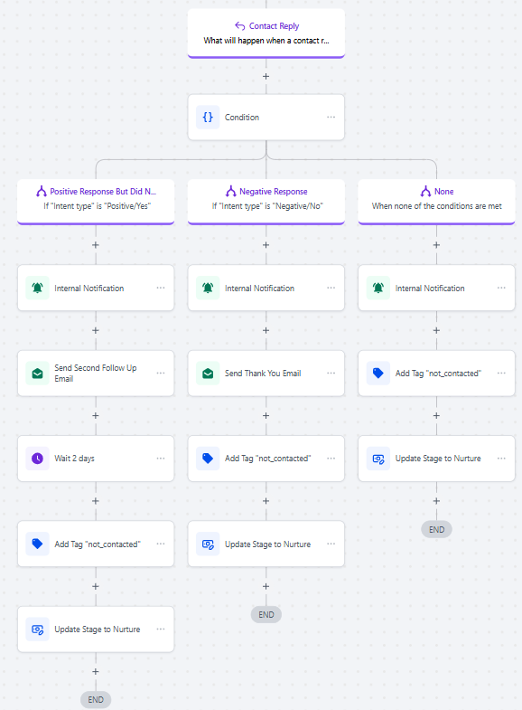
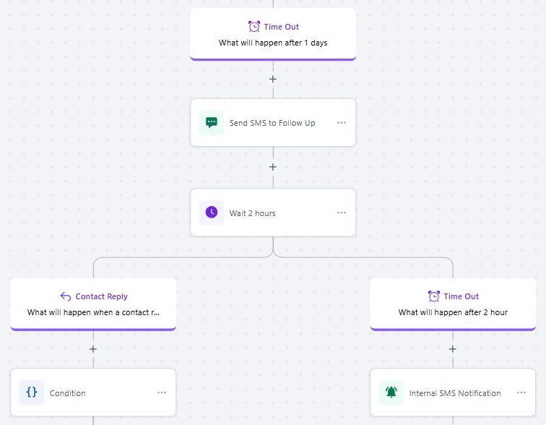
3 | Call connect with client. Staff must manually change the client's pipeline stage depending on their response.

 | Requirement
1 | Consultation Appointment Booking Calendar

 | Note: All paths here leads to "Nurture" stage unless the leads booked a consultation appointment

03. Consultation Booking
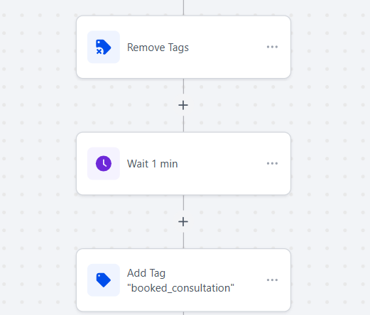
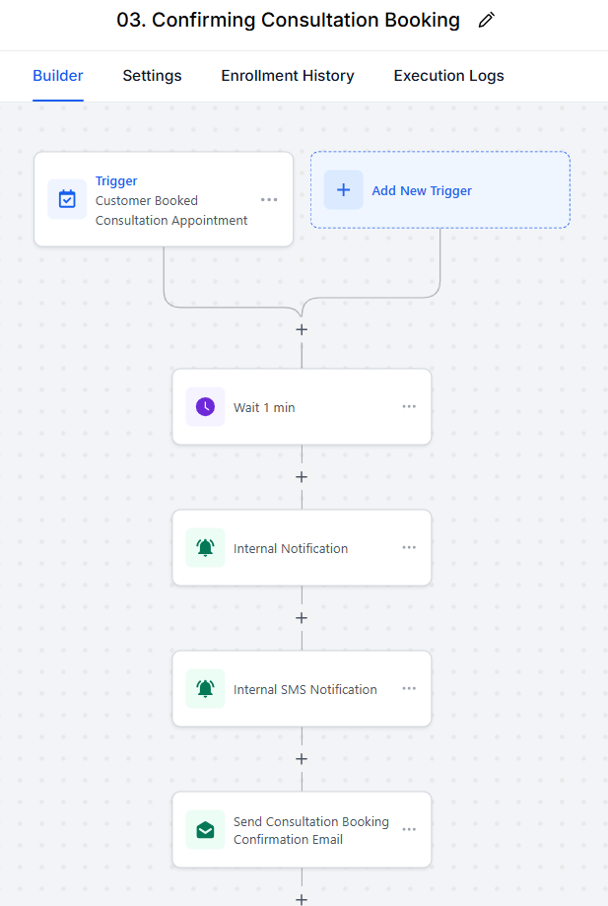
Step | Details
1 | Automation will be triggered when leads booked an appointment to the Consultation Appointment Booking Calendar
2 | System will wait for 1 minute before proceeding
3 | An internal notification will be sent to PCPSI's email about the consultation booking details
4 | An internal SMS notification will be sent to PCPSI's registered phone number about the consultation booking details
5 | A booking confirmation will be sent to the lead's email
6 | Remove the following tags if ever leads has them: booked_consultation, contacted_lead, not_contacted
7 | System will wait for 1 minute before proceeding
8 | Leads will be tagged with "booked_consultation"

 | Note: At this point, the leads will only be waiting until their consultation appointment schedule. They are still at the New Lead stage but tagged as "booked_consultation".

04A. Showed Consultation
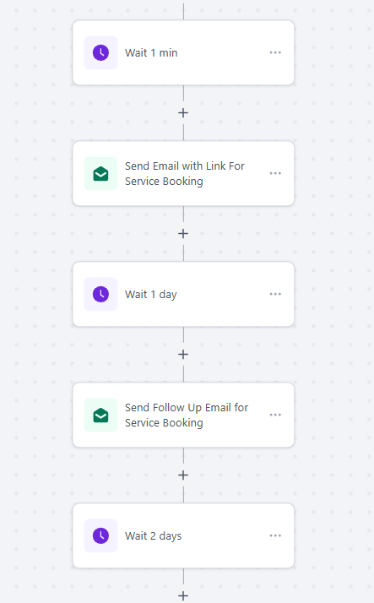
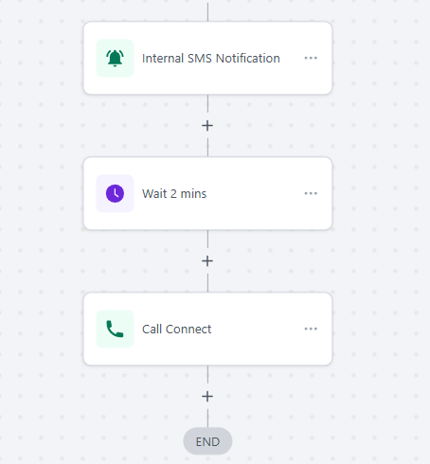
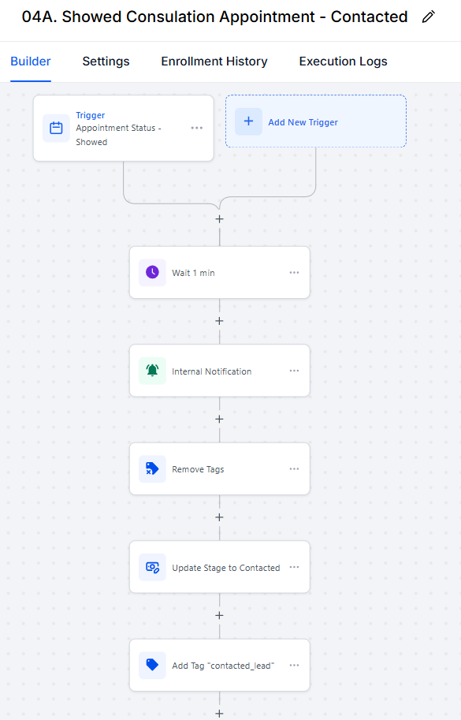

Step | Details
1 | Automation will be triggered when consultation appointment with the lead is marked as "Showed"
2 | System will wait for 1 minute before proceeding
3 | An internal notification will be sent to PCPSI's email about the consultation booking being completed or finished.
4 | Remove the following tags if ever leads has them: booked_consultation, contacted_lead, not_contacted
5 | Update lead's stage to "Contacted"
6 | Leads are tagged with "contacted_lead"
7 | System will wait for 1 minute before proceeding
8 | Send email to leads with Pet Sitter Service Booking Calendar link
 | Note: If leads booked immediately, they will be transferred to the "05. Service Booked" automation workflow and will be updated to the "Booked" stage
9 | System will wait 1 day
10 | A follow-up email will be sent to the leads
11 | System will wait up to 2 days
12 | An internal SMS notification will be sent to PCPSI's registered phone number alerting for a Call Connect with the client
13 | Wait 2 minutes
14 | Call Connect with client. Staff must manually change the client's pipeline stage depending on their response.

 | Requirement
1 | Pet Sitting Service Booking Calendar

04B. Cancelled Consultation
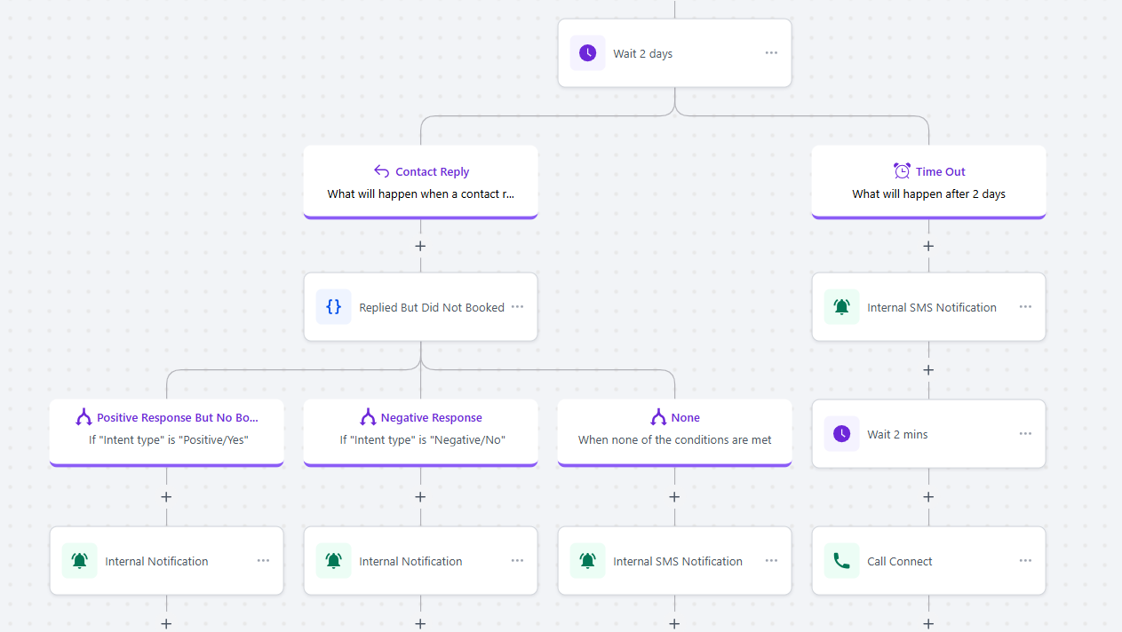
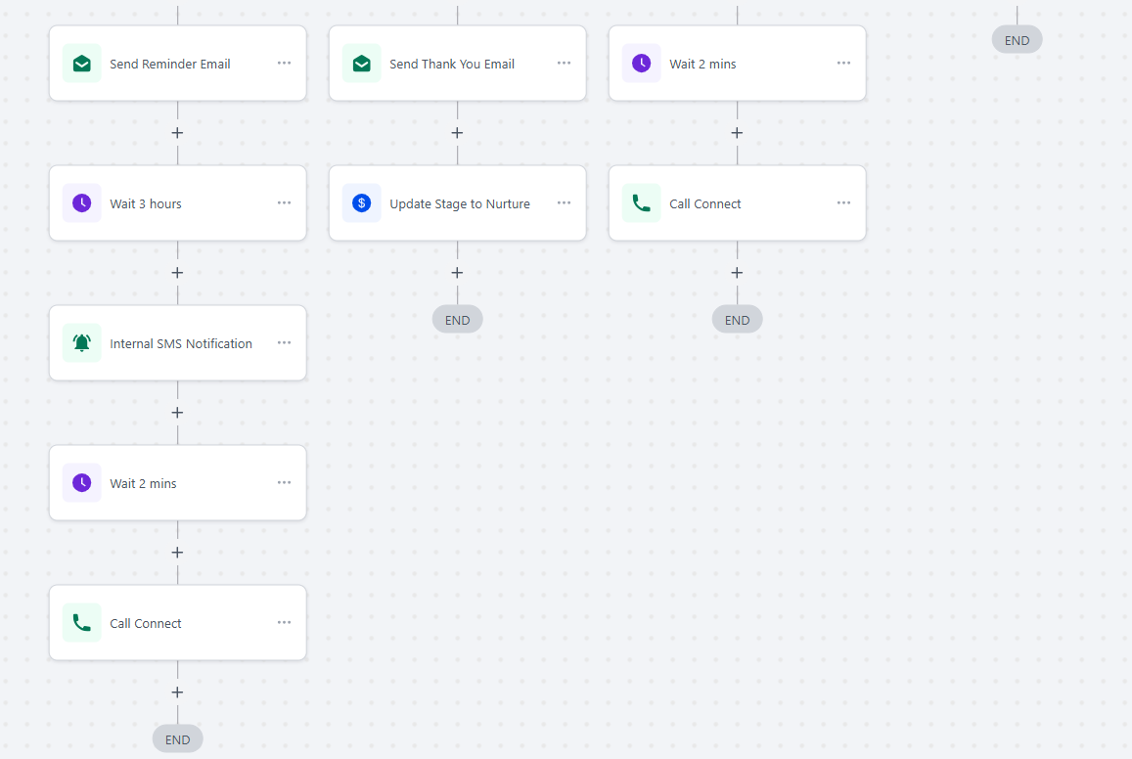
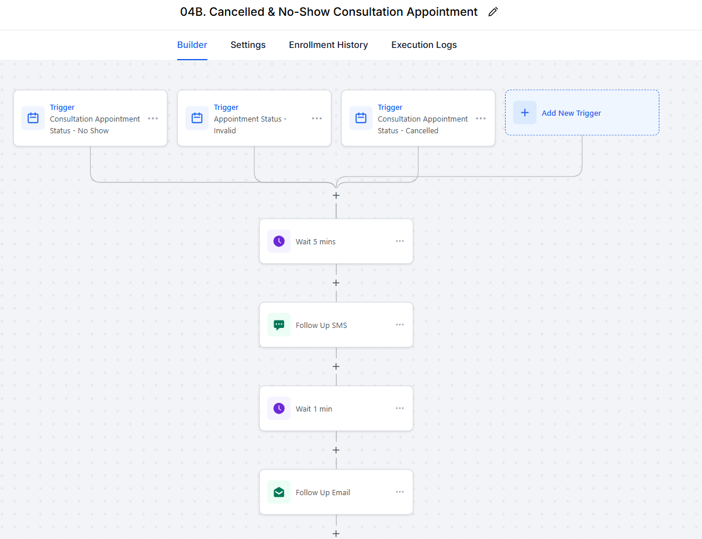

Step | Details
1 | Automation will be triggered when consultation appointment with the lead is marked as "No Show", "Invalid" or "Cancelled"
2 | System will wait for 5 minutes before proceeding
3 | An SMS follow-up message will be sent to lead's phone number also informing them that an email with consultation appointment link will be sent shortly
4 | System will wait for 1 minute before proceeding
5 | Send follow-up email to leads
6 | System will wait up to 2 days

NOTE | Split path depending on lead's response to follow-up email
 | IF LEADS REPLIED TO EMAIL
 | Scenario 1: Client's Intent is Positive But Did Not Booked Yet
1 | An internal notification will be sent to PCPSI's email about leads replying
2 | A second follow-up email will be sent to the lead's email address
3 | System will wait 3 hours
4 | Send an internal SMS notification to PCPSI's phone number and alerting the staff for a Call Connect to the client in 2 minutes
5 | System will wait 2 minute
6 | Call connect with client. Staff must manually change the client's pipeline stage depending on their response.

 | Scenario 2: Client's Intent is Negative
1 | An internal notification will be sent to PCPSI's email about leads replying
2 | A thank you email will be sent to lead's email address
3 | Update lead's stage into "Nurture"

 | Scenario 3: The first two conditions are not met
1 | Send an internal SMS notification to PCPSI's phone number and alerting the staff for a Call Connect to the client in 2 minutes
2 | System will wait 2 minute
3 | Call connect with client. Staff must manually change the client's pipeline stage depending on their response.

 | IF LEADS DID NOT REPLY TO EMAIL
1 | Send an internal SMS notification to PCPSI's phone number and alerting the staff for a Call Connect to the client in 2 minutes
2 | System will wait 2 minute
3 | Call connect with client. Staff must manually change the client's pipeline stage depending on their response.

05. Service Booked
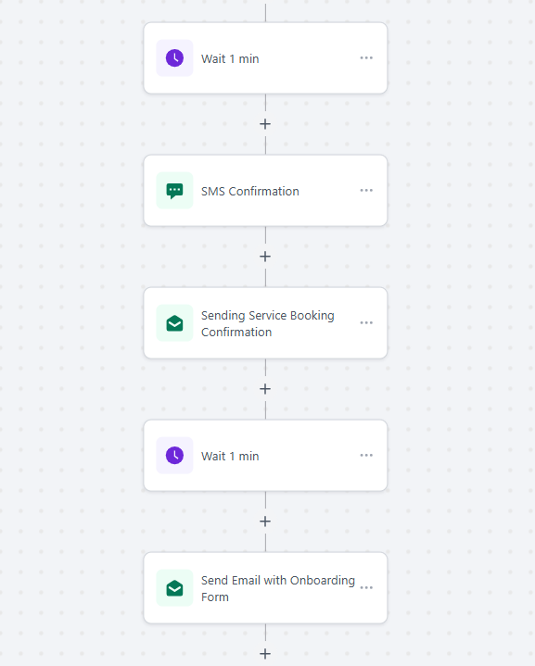
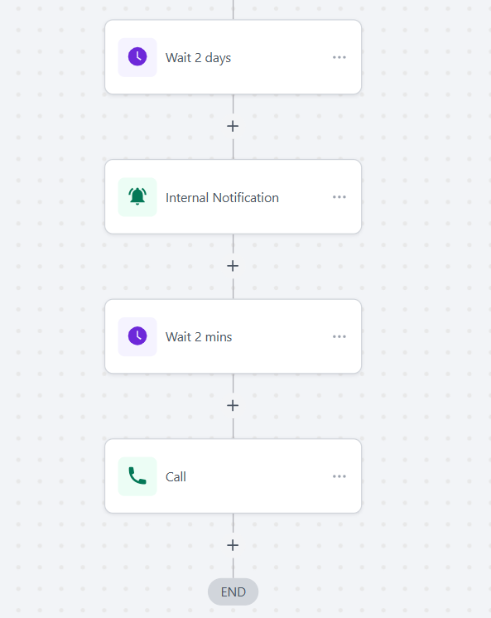
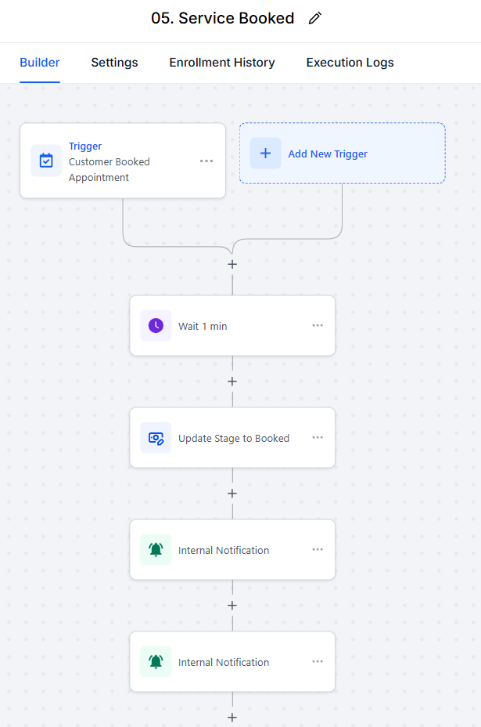

Step | Details
1 | Automation will be triggered upon booking of leads in the Pet Sitter Service Booking Calendar
2 | System will wait for 1 minute before proceeding
3 | Lead's pipeline stage will be updated into "Booked"
4 | An internal notification will be sent to PCPSI's email about the booked service
5 | An internal SMS notification will be sent to PCPSI's registered phone number about the booked service
6 | System will wait for 1 minute before proceeding
7 | A confirmation SMS message will be sent to the client's phone number about the booking
8 | A confirmation email message will be sent to the client's email about the booking
9 | System will wait for 1 minute before proceeding
10 | An email message containing a link to the Onboarding form will be sent to the client. This will trigger the next automation upon form submission
11 | Send an internal SMS notification to PCPSI's phone number and alerting the staff for a Call Connect to the client in 2 minutes
12 | System will wait 2 minute
13 | Call connect with client. Staff must manually change the client's pipeline stage depending on their response.

 | Requirement
1 | Online onboarding form
 | Note: Can also be manually filled up in an actual paper form. Staff will need to manually transfer the client to the "Booked" stage in the pipeline

06. Onboarding
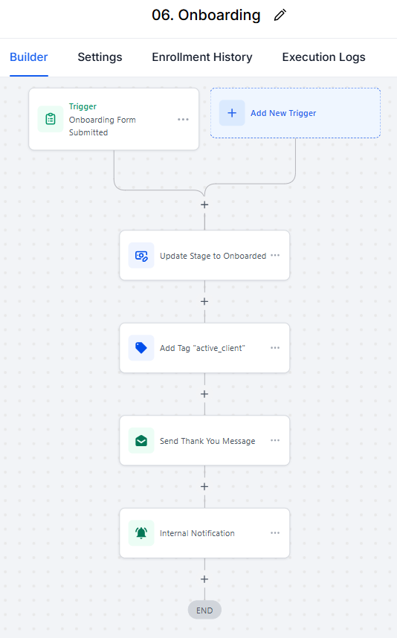
Step | Details
1 | Automation will be triggered upon submission of onboarding form
2 | Lead's pipeline stage will be updated into "Onboarded"
3 | Leads will be tagged as active_client (Optional)
4 | Send confirmation and thank you email to the client.
5 | An internal notification will be sent to PCPSI's email about the onboarded client

